Q9
Make a comparision chart to compare sales of Mahesh and Dinesh
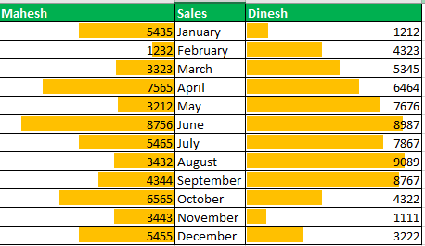
MAHESH | SALES | DINESH
5435 | JANUARY | 1212
1232 | FEBRUARY | 4323
3323 | MARCH | 5345
7565 | APRIL | 6464
3212 | MAY | 7676
8756 | JUNE | 8987
5465 | JULY | 7867
3232 | AUGUST | 9089
4344 | SEPTEMBER | 8767
6565 | OCTOBER | 4322
3443 | NOVEMBER | 1111
5455 | DECEMBER | 3222

SELECT THE ENTIRE DATA OF OF MAHESH THE THEN APPLY DATA BARS IN CONDITIONAL FORMATTING.THEN ADJUST THE BAR DIRECTION .DO THE SAME WITH DINESH.

